Pivottables 2
Geographically

Row Labels | Sum of Amount | Sum of Amount2 |  | Highest Country |  | Non-Highest Country |  | Total sales
Russia | 219,404 | 26.53% | Egypt |  |  | • | • | $827,044 | Egypt | 25% | 204,528 | Sum of Amount | Sum of Target | Remaining Percentage | Actual | X | Y | Payroll Taxes | Property Taxes | Excise Taxes | Total Taxes | Percentage
Egypt | 204,528 | 24.73% | USA |  |  | • | • |  | USA | 15% | 127,904 | 827,044 | 1107220.24 | 25% | 75% | 0 | 1 | 9.2% | 7.4% | 6.2% | 22.8% | 77.2% | Sum of Amount | Sum of Target | Actual | Target
United Kingdom | 129,304 | 15.63% | Russia | • | • |  |  |  | Russia | 27% | 219,404 |  |  |  |  | 0.99982 | -0.01913 | $76,088.05 | $61,201.26 | $51,276.73 | $188,566.03 |  | 1,252,013 | 1,741,072 | 72% | 28% | Row Labels | Count of POS |  | Line | Empty Circle | Circle | Count | Row Labels | Sum of Amount
USA | 127,904 | 15.47% | United Kingdom |  |  | • | • |  | United Kingdom | 16% | 129,304 |  |  |  |  |  |  |  |  |  |  |  |  |  |  |  | Branches | 294 | Branches | ⎜ | ○ |  | 294 | Branch | 69,145 |  | Branch | 69,145 | Row Labels | Count of Sale Status
Canada | 73,912 | 8.94% | Canada |  |  | • | • |  | Canada | 9% | 73,912 |  |  |  |  |  |  |  |  |  |  |  |  |  |  |  | Website | 136 | Website |  |  | ● | 136 | Download | 62,620 |  | Download | 62,620 | Paid | 67% | Refunded
Brazil | 71,992 | 8.70% | Brazil |  |  | • | • |  | Brazil | 9% | 71,992 |  |  |  |  |  |  |  |  |  |  |  |  |  | X | Y |  |  |  |  |  |  |  | Shipment | 49,996 |  | Shipment | 49,996 | Refunded | 33% | 33%
Grand Total | 827,044 | 100.00% |  |  |  |  |  |  |  |  |  |  |  |  |  |  |  |  |  |  |  |  |  |  | 0 | 1 | Row Labels | Count of Payment Method |  | Line | Empty Circle | Circle | Count |  |  |  |  | 181,761
 |  |  |  |  |  |  |  |  |  |  |  |  |  |  |  |  |  |  |  |  |  |  |  |  | -0.98121747588 | -0.1929048082 | Credit Card | 272 | Credit Card | ⎜ | ○ |  | 272
 |  |  |  |  |  |  |  |  |  |  |  |  |  |  |  |  |  |  |  |  |  |  |  |  |  |  | Cash on Delivery | 158 | Cash on Delivery |  |  | ● | 158
 | 1ST | 2ST
 | 1 | 72% | 1
 | 1 | 28% | -0.1929048082
 | 1
 | 1
 | 1
 | 1
 | 1
 | 1
 | 1
 | 1
 | 1
 | 1
 | 1
 | 1
 | 1
 | 1
 | 1
 | 1
 | 1
 | 1
 | 1
 | 1
 | 1
 | 1
 | 1
 | 1
 | 1
 | 1
 | 1
 | 1
 | 1
 | 1
 | 1
 | 1
 | 1
 | 1
 | 1
 | 1
 | 1
 | 1
 | 1
 | 1
 | 1
 | 1
 | 1
 | 1
 | 1
 | 1
 | 1
 | 1
...

 |  |  |  |  |  |  |  |  |  |  |  |  |  |  |  |  |  |  |  |  |  |  |  |  |  |  |  |  |  |  |  |  |  |  | Row Labels | Count of Delivery Type
 |  |  |  |  |  |  |  |  |  |  |  |  |  |  |  |  |  |  |  |  |  |  |  |  |  |  |  |  |  |  |  |  |  |  | Branch | 144
 |  |  |  |  |  |  |  |  |  |  |  |  |  |  |  |  |  |  |  |  |  |  |  |  |  |  |  |  |  |  |  |  |  |  | Download | 144
 |  |  |  |  |  |  |  |  |  |  |  |  |  |  |  |  |  |  |  |  |  |  |  |  |  |  | Row Labels | Count of Registration Status |  | Line | Empty Circle | Circle | Count |  | Shipment | 142
 |  |  |  |  |  |  |  |  |  |  |  |  |  |  |  |  |  |  |  |  |  |  |  |  |  |  | Register Customer info | 286 | Register Customer info | ⎜ | ○ |  | 286
 |  |  |  |  |  |  |  |  |  |  |  |  |  |  |  |  |  |  |  |  |  |  |  |  |  |  | Non-Registered Customer info | 144 | Non-Registered Customer info |  |  | ● | 144

 |  |  |  |  |  |  |  |  |  |  |  |  |  |  |  |  |  |  |  |  |  |  |  |  |  |  | Row Labels | Count of Sale Status
 |  |  |  |  |  |  |  |  |  |  |  |  |  |  |  |  |  |  |  |  |  |  |  |  |  |  | Paid | 286 | Paid | 286
 |  |  |  |  |  |  |  |  |  |  |  |  |  |  |  |  |  |  |  |  |  |  |  |  |  |  | Refunded | 144

Pivottables
Row Labels | Sum of Income | Sum of Counts | Sum of Counts2 |  | X | Y | Amount | Max | Without Max | Count | Count %
Usage fees | 168000 | 11856 | 10.12% | Usage fees | 1 | 3 | 168,000 |  | 168,000 | 11,856 | 10% | Sum of Income | Sum of Target Income | Income | Target | Row Labels | Sum of Income | Sum of Income2 | Avg Income by Month | Row Labels | Sum of operating profit | Operating profits | Row Labels | Sum of Income | Sum of Income2 | B2B | 432,460 | 54% | Row Labels | Sum of Income | Sum of Income2
Subscription | 123865.2 | 13188 | 11.26% | Subscription | 7 | 2 | 123,865 |  | 123,865 | 13,188 | 11% | 802,618 | 898,932 | 89% | 11% | Jan | 66884.8 | 66884.8 | 66,885 | Dec | 13376.96 | 160,524 | B2B | 432460.5 | 53.88% | B2C | 370,157 | 46% | Usage fees | 168,000 | 20.93% | Usage fees | 168,000 | 21%
Renting | 58526.4 | 16488 | 14.07% | Renting | 4 | 1 | 58,526 |  | 58,526 | 16,488 | 14% |  |  |  |  | Feb | 66884.8 | 66884.8 |  | Nov | 13376.96 |  | B2C | 370157.1 | 46.12% |  |  |  | New | 84,000 | 10.47% | New | 84,000 | 10.47%
Licensing | 150927.6 | 72768 | 62.10% | Licensing | 2 | 8 | 150,928 |  | 150,928 | 72,768 | 62% |  |  |  |  | Mar | 66884.8 | 66884.8 |  | Oct | 13376.96 |  | Grand Total | 802617.6 | 100.00% |  |  |  | Renewal | 84,000 | 10.47% | Renewal | 84,000 | 10.47%
Asset sale | 79200 | 26 | 0.02% | Asset sale | 5 | 9 | 79,200 |  | 79,200 | 26 | 0% |  |  |  |  | Apr | 66884.8 | 66884.8 |  | Sep | 13376.96 |  |  |  |  |  |  |  | Subscription | 123,865 | 15.43% | Subscription | 123,865 | 15%
Advertising | 222098.4 | 2844 | 2.43% | Advertising | 6 | 6 | 222,098 | 222,098 |  | 2,844 | 2% |  |  |  |  | May | 66884.8 | 66884.8 |  | Aug | 13376.96 |  |  |  |  |  |  |  | Premium | 54,943 | 6.85% | Premium | 54,943 | 6.85%
Grand Total | 802617.6 | 117170 | 100.00% |  |  |  |  |  |  |  |  |  |  |  |  | Jun | 66884.8 | 66884.8 |  | Jul | 13376.96 |  |  |  |  |  |  |  | Prime | 68,922 | 8.59% | Prime | 68,922 | 8.59%
 |  |  |  |  |  |  |  |  |  |  |  |  |  |  |  | Jul | 66884.8 | 66884.8 |  | Jun | 13376.96 |  |  |  |  |  |  |  | Renting | 58,526 | 7.29% | Renting | 58,526 | 7%
 |  |  |  |  |  |  |  |  |  |  |  |  |  |  |  | Aug | 66884.8 | 66884.8 |  | May | 13376.96 |  |  |  |  |  |  |  | Equipments | 54,926 | 6.84% | Equipments | 54,926 | 6.84%
 |  |  |  |  |  |  |  |  |  |  |  |  |  |  |  | Sep | 66884.8 | 66884.8 |  | Apr | 13376.96 |  |  |  |  |  |  |  | Lands | 2,400 | 0.30% | Lands | 2,400 | 0.30%
 |  |  |  |  |  |  |  |  |  |  |  |  |  |  |  | Oct | 66884.8 | 66884.8 |  | Mar | 13376.96 |  |  |  |  |  |  |  | Offices | 1,200 | 0.15% | Offices | 1,200 | 0.15%
 |  |  |  |  |  |  |  |  |  |  |  |  |  |  |  | Nov | 66884.8 | 66884.8 |  | Feb | 13376.96 |  |  |  |  |  |  |  | Licensing | 150,928 | 18.80% | Licensing | 150,928 | 19%
 |  |  |  |  |  |  |  |  |  |  |  |  |  |  |  | Dec | 66884.8 | 66884.8 |  | Jan | 13376.96 |  |  |  |  |  |  |  | Floating License | 96,000 | 11.96% | Floating License | 96,000 | 11.96%
 |  |  |  |  |  |  |  |  |  |  |  |  |  |  |  | Grand Total | 802617.6 | 802617.6 |  | Grand Total | 160523.52 |  |  |  |  |  |  |  | Software Metered License | 54,928 | 6.84% | Software Metered License | 54,928 | 6.84%
 |  |  |  |  |  |  |  |  |  |  |  |  |  |  |  |  |  |  |  |  |  |  |  |  |  |  |  |  | Asset sale | 79,200 | 9.87% | Asset sale | 79,200 | 10%
 |  |  |  |  |  |  |  |  |  |  |  |  |  |  |  |  |  |  |  |  |  |  |  |  |  |  |  |  | Asset sale | 79,200 | 9.87% | Asset sale | 79,200 | 9.87%
 |  |  |  |  |  |  |  |  |  |  |  |  |  |  |  |  |  |  |  |  |  |  |  |  |  |  |  |  | Advertising | 222,098 | 27.67% | Advertising | 222,098 | 28%
 |  |  |  |  |  |  |  |  |  |  |  |  |  |  |  |  |  |  |  |  |  |  |  |  |  |  |  |  | Company Website | 2,400 | 0.30% | Company Website | 2,400 | 0.30%
 |  |  |  |  |  |  |  |  |  |  |  |  |  |  |  |  |  |  |  |  |  |  |  |  |  |  |  |  | Facebook Page | 54,926 | 6.84% | Facebook Page | 54,926 | 6.84%
 |  |  |  |  |  |  |  |  |  |  |  |  |  |  |  |  |  |  |  |  |  |  |  |  |  |  |  |  | Google Ad | 54,923 | 6.84% | Google Ad | 54,923 | 6.84%
 |  |  |  |  |  |  |  |  |  |  |  |  |  |  |  |  |  |  |  |  |  |  |  |  |  |  |  |  | Television Ad | 54,928 | 6.84% | Television Ad | 54,928 | 6.84%
 |  |  |  |  |  |  |  |  |  |  |  |  |  |  |  |  |  |  |  |  |  |  |  |  |  |  |  |  | Youtube Channel | 54,922 | 6.84% | Youtube Channel | 54,922 | 6.84%
 |  |  |  |  |  |  |  |  |  |  |  |  |  |  |  |  |  |  |  |  |  |  |  |  |  |  |  |  | Grand Total | 802,618 | 100.00%

Income Sources
Company A
Browse
Income Sources
Geographically
Sales Process

Software Metered License
Floating License
54,928
6.84%
96,000
 | Income Sources | Max
1 | 3 | 3
7 | 2 | 2
4 | 1 | 1
2 | 8 | 8
5 | 9 | 9
6 | 6 | 6
11.96%
10%
Company Website
Income Sources
2,400
19%
0.30%
Average
Monthly Income
66,885
x̅
Asset sale
Facebook Page
Grand total of income and their breakdowns showing the achievements percentage and highlight for most valuable source, Marketing strategies, and operating profit
54,926
6.84%

Licensing
28%
Google Ad
x
 | 1
 | 1
 | 1
 | 1
 | 1
 | 1
 | 1
 | 1
 | 1
 | 1
 | 1
 | 1
 | 1
 | 1
 | 1
 | 1
 | 1
 | 1
 | 1
 | 1
 | 1
 | 1
 | 1
 | 1
 | 1
 | 1
 | 1
 | 1
 | 1
 | 1
 | 1
 | 1
 | 1
 | 1
 | 1
 | 1
 | 1
 | 1
 | 1
 | 1
 | 1
 | 1
 | 1
 | 1
 | 1
 | 1
 | 1
 | 1
 | 1
 | 1
...
54,923
Operating
Profits
6.84%
Television Ad
54,928
6.84%
 | Total
Dec | 13376.96
Nov | 13376.96
Oct | 13376.96
Sep | 13376.96
Aug | 13376.96
Jul | 13376.96
Jun | 13376.96
May | 13376.96
Apr | 13376.96
Mar | 13376.96
Feb | 13376.96
Jan | 13376.96
New
Advertising
Youtube Channel
Financial Statistics
84,000
6.84%
54,922
10.47%
Income Achieved
89%
160,524
898,932
6.84%
Premium
54,943
Income Target
802,618
21%
6.85%

Usage fees
 | Sum of Income2 | Sum of Income
Jan | 66884.8 | 66884.8
Feb | 66884.8 | 66884.8
Mar | 66884.8 | 66884.8
Apr | 66884.8 | 66884.8
May | 66884.8 | 66884.8
Jun | 66884.8 | 66884.8
Jul | 66884.8 | 66884.8
Aug | 66884.8 | 66884.8
Sep | 66884.8 | 66884.8
Oct | 66884.8 | 66884.8
Nov | 66884.8 | 66884.8
Dec | 66884.8 | 66884.8
Prime
Renewal
15%
68,922
160,524
54%
B2B
84,000
10.47%
8.59%
Subscription

 | Sum of Income | Sum of Income2
B2B | 432460.5 | 53.88%
B2C | 370157.1 | 46.12%
Renting

Equipments
Quantity of Item's
54,926
Offices
6.84%
370,157
46%
B2C
1,200
0.15%
Usage fees
Subscription
Renting
Licensing
Asset sale
Advertising
10%
11%
14%
62%
0%
2%
11,856
13,188
16,488
72,768
26
2,844
7%
•
•
•
•
•
•

Lands
2,400
0.30%

Geographically
Company A
Browse
Income Sources
Geographically
Sales Process

Financial Statistics
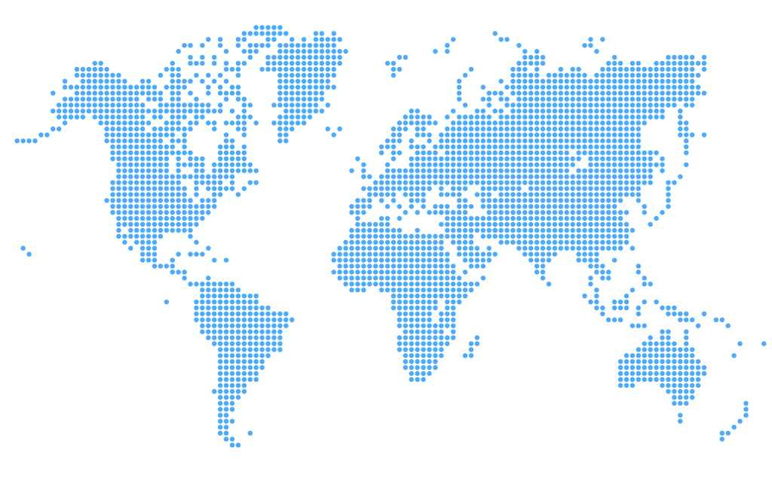

$827,044
Canada
73,912
Russia
219,404
United Kingdom
129,304
•
•
•
•
•
•
•
•
•
•
•
•
•
•
•
•
•
•
•
•
•
•
•
•
•
•
•
•
•
•
•
•
•
•
•
•
•
•
•
•
•
•
•
•
•
•
•
•
•
•
•
•
•
•
•
•
•
•
 | Egypt | USA | Russia | United Kingdom | Canada | Brazil
 | 25% | 15% | 27% | 16% | 9% | 9%
•
•
•
•
•
•
Russia
Egypt
United Kingdom
USA
Canada
Brazil
219,404
26.53%
204,528
24.73%
129,304
15.63%
127,904
15.47%
73,912
8.94%
71,992
8.70%
•
•
•
•
•
•
•
•
•
•
•
•
•
•
•
•
•
•
•
•
USA
127,904
•
•
•
•
•
•
•
Egypt
•
•
•
•
•
•
•
•
•
•
•
204,528
•
•
•
•
•
•
•
•
•
73,912
•
•
•
•
•
•
•
•
•
•
•
•
Brazil
•
•
•
•
•
•
•
•
•
•
71,992
•
•
•
•
•
•
•
•
•
•
•
•
•
•
•
•
•
•
•
•

 |  |  | Y&X
Remaining Percentage | 25% | 0.00000 | 1.00000
Actual | 75% | 0.99982 | -0.01913
Sales Percentage
Achieved

75%
 | 22.8% | 77.2%

Payroll Taxes
9.2%
$76,088.05
Property Taxes
7.4%
$61,201.26
Excise Taxes

Sales Process
Company A
Browse
 | 1ST | 2ST
 | 1 | 72% | 1
 | 1 | 28% | -0.1929048082
 | 1
 | 1
 | 1
 | 1
 | 1
 | 1
 | 1
 | 1
 | 1
 | 1
 | 1
 | 1
 | 1
 | 1
 | 1
 | 1
 | 1
 | 1
 | 1
 | 1
 | 1
 | 1
 | 1
 | 1
 | 1
 | 1
 | 1
 | 1
 | 1
 | 1
 | 1
 | 1
 | 1
 | 1
 | 1
 | 1
 | 1
 | 1
 | 1
 | 1
 | 1
 | 1
 | 1
 | 1
 | 1
 | 1
 | 1
 | 1
...
Income Sources
Geographically
Sales Process

Sales Process
 | Total
Paid | 67%
Refunded | 33%
 | Total
Branch | 144
Download | 144
Shipment | 142

33%
Refunded
294
Branches
○
ss
Download
286
62,620
○
272
Registered Customer Info
○

⎜
Credit Card

⎜
○
○
Paid Orders
286
○
○
⎜
⎜
⎜

Financial Statistics

●
●
Customers
181,761

●

Cash
Non-Registered Customer Info

158
144

Website
Branch
136
Shipment
49,996
69,145

